Лист1
x | 0.8 | 1.6 | 2 | 2.5 | 3.2 | 4 | 4.7 | 5.6
y | 1.32 | 0.78 | 0.69 | 0.55 | 0.43 | 0.36 | 0.31 | 0.26
x^2 | 0.64 | 2.56 | 4 | 6.25 | 10.24 | 16 | 22.09 | 31.36

y' | 0.75757575758 | 1.2820512821 | 1.4492753623 | 1.8181818182 | 2.3255813953 | 2.7777777778 | 3.2258064516 | 3.8461538462
xy | 0.60606060606 | 2.0512820513 | 2.8985507246 | 4.5454545455 | 7.4418604651 | 11.111111111 | 15.161290323 | 21.538461538

sum(x) | 24.4
sum(y) | 17.482403691
sum(x^2) | 93.14
sum(xy) | 65.354071365

a | 0.224836
b | 0.642775

 | 0.00034298142066 | 0.00082801685713 | 0.0037345100378 | 0.00018473381465 | 0.0019241729091 | 0.00032972103427 | 0.00040288712645 | 0.0004742745831
S | 0.0082212977832

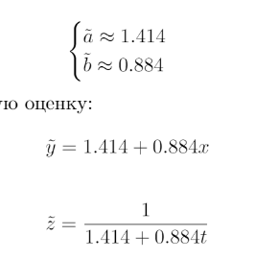
x | 0.8 | 1.6 | 2 | 2.5 | 3.2 | 4 | 4.7 | 5.6
y | 1.32 | 0.78 | 0.69 | 0.55 | 0.43 | 0.36 | 0.31 | 0.26
z | 1.3530774393 | 0.79790884051 | 0.66208240807 | 0.54591902329 | 0.43826663792 | 0.35766197796 | 0.30808300434 | 0.26148056572
e | -0.033077439328 | -0.017908840511 | 0.027917591927 | 0.0040809767146 | -0.0082666379164 | 0.0023380220434 | 0.0019169956608 | -0.0014805657184

#2
x | 0.8 | 1.6 | 2 | 2.5 | 3.2 | 4 | 4.7 | 5.6
y | 1.32 | 0.78 | 0.69 | 0.55 | 0.43 | 0.36 | 0.31 | 0.26

x' | 1.25 | 0.625 | 0.5 | 0.4 | 0.3125 | 0.25 | 0.21276595745 | 0.17857142857
y' | 0.75757575758 | 1.2820512821 | 1.4492753623 | 1.8181818182 | 2.3255813953 | 2.7777777778 | 3.2258064516 | 3.8461538462
xy | 0.94696969697 | 0.80128205128 | 0.72463768116 | 0.72727272727 | 0.72674418605 | 0.69444444444 | 0.68634179822 | 0.68681318681
x^2 | 1.5625 | 0.390625 | 0.25 | 0.16 | 0.09765625 | 0.0625 | 0.045269352648 | 0.031887755102

sum(x) | 3.728837386
sum(y) | 17.482403691
sum(x^2) | 2.6004383578
sum(xy) | 5.9945057722

a | -2.49779
b | 3.34953
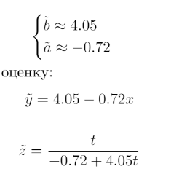
 | 0.28120033327 | 0.25640041714 | 0.4242693776 | 0.28327109536 | 0.05923831711 | 0.0027767923001 | 0.16623652186 | 0.88860368025
S | 2.3619965349

x | 0.8 | 1.6 | 2 | 2.5 | 3.2 | 4 | 4.7 | 5.6
y | 1.32 | 0.78 | 0.69 | 0.55 | 0.43 | 0.36 | 0.31 | 0.26
z | 4.3996172333 | 0.55915550744 | 0.47604652879 | 0.42545696205 | 0.38926097102 | 0.36696136722 | 0.35485086034 | 0.34441238266
e | -3.0796172333 | 0.22084449256 | 0.21395347121 | 0.12454303795 | 0.040739028984 | -0.0069613672247 | -0.044850860336 | -0.084412382658

#3
x | 0.8 | 1.6 | 2 | 2.5 | 3.2 | 4 | 4.7 | 5.6
y | 1.32 | 0.78 | 0.69 | 0.55 | 0.43 | 0.36 | 0.31 | 0.26

x' | -0.22314355131 | 0.47000362925 | 0.69314718056 | 0.91629073187 | 1.1631508098 | 1.3862943611 | 1.5475625087 | 1.7227665977
y' | 0.2776317366 | -0.2484613593 | -0.37106368139 | -0.59783700076 | -0.84397007029 | -1.0216512475 | -1.1711829815 | -1.347073648
xy | -0.061951731662 | -0.1167777406 | -0.25720174456 | -0.54779250296 | -0.98166447071 | -1.4163093635 | -1.812478873 | -2.3206934854
x^2 | 0.049793044493 | 0.2209034115 | 0.48045301392 | 0.83958870532 | 1.3529198064 | 1.9218120557 | 2.3949497184 | 2.9679247503

sum(x) | 7.6760722677
sum(y) | -5.3236082521
sum(x^2) | 10.228344506
sum(xy) | -7.5148699124

a | 1.1515973916
b | -0.84064

 | 3.4275412005 | 3.9357559894 | 4.9734797511 | 6.3023591285 | 8.8738332066 | 12.826497483 | 16.973229819 | 23.294465014
S | 80.607161591

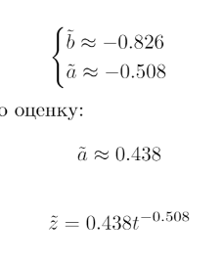
x | 0.8 | 1.6 | 2 | 2.5 | 3.2 | 4 | 4.7 | 5.6
y | 1.32 | 0.78 | 0.69 | 0.55 | 0.43 | 0.36 | 0.31 | 0.26
z | 1.389207457 | 0.7757276118 | 0.64304714882 | 0.53306035432 | 0.43316304175 | 0.35907482825 | 0.31355110038 | 0.27061003005
e | -0.069207457012 | 0.0042723882042 | 0.046952851183 | 0.016939645677 | -0.003163041751 | 0.00092517175445 | -0.0035511003771 | -0.010610030046

#4
x | 0.8 | 1.6 | 2 | 2.5 | 3.2 | 4 | 4.7 | 5.6
y | 1.32 | 0.78 | 0.69 | 0.55 | 0.43 | 0.36 | 0.31 | 0.26
x^2 | 0.64 | 2.56 | 4 | 6.25 | 10.24 | 16 | 22.09 | 31.36

y' | 0.2776317366 | -0.2484613593 | -0.37106368139 | -0.59783700076 | -0.84397007029 | -1.0216512475 | -1.1711829815 | -1.347073648
xy | 0.22210538928 | -0.39753817488 | -0.74212736278 | -1.4945925019 | -2.7007042249 | -4.0866049901 | -5.5045600131 | -7.5436124286

sum(x) | 24.4
sum(y) | -5.3236082521
sum(x^2) | 93.14
sum(xy) | -22.247634307

a | 1.3686682294
b | -0.321078

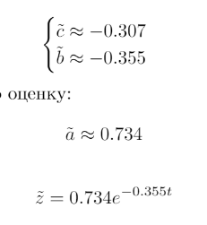
 | 1.5952302012 | 0.96017780424 | 1.0369711993 | 1.0792235096 | 1.3078470988 | 1.7701606077 | 2.2657126212 | 3.0422288548
S | 13.057551897

x | 0.8 | 1.6 | 2 | 2.5 | 3.2 | 4 | 4.7 | 5.6
y | 1.32 | 0.78 | 0.69 | 0.55 | 0.43 | 0.36 | 0.31 | 0.26
z | 1.0586301613 | 1.0586301613 | 1.0586301613 | 1.0586301613 | 1.0586301613 | 1.0586301613 | 1.0586301613 | 1.0586301613
e | 0.26136983868 | -0.27863016132 | -0.36863016132 | -0.50863016132 | -0.62863016132 | -0.69863016132 | -0.74863016132 | -0.79863016132

